Sheet2
 | Total
Delhi | 5265697.44
Gujarat | 5143953.01
Karnataka | 5052604.86
Maharashtra | 5111570.94
Tamil Nadu | 5123021.14
Telangana | 5422073.95
 | Total
Ahmedabad | 4566524.18
Bangalore | 4754157.96
Chennai | 4392446.14
Delhi | 4164847.59
Hyderabad | 4582024.17
Mumbai | 4208480.22
Pune | 4450441.08
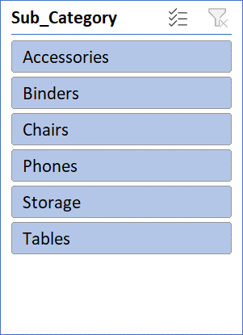

 | Total
April | 10421247.82
June | 10216465.7
May | 10481207.82
 | Total
Electronics | 9349186.14
Furniture | 11198710.85
Office Supplies | 10571024.35

